Introduction
Technical Requirements

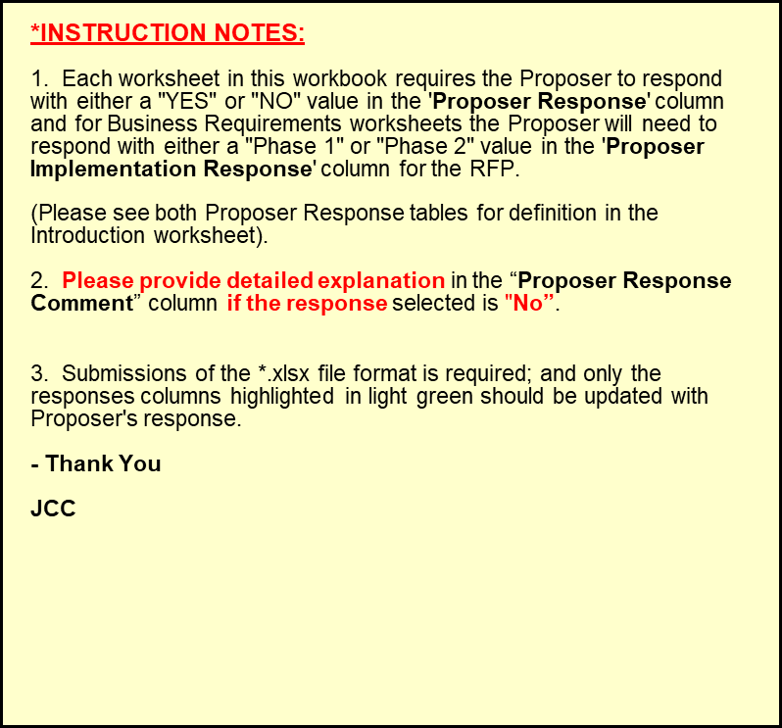
Introduction | RFP NUMBER: RFP-IT-2026-212-RB
PURPOSE | VTT - Finding New Replacement Product To identify and implement a next-generation, commercial off-the-shelf (COTS) voice translator solution that enhances multilingual communication between court staff and the public by providing accurate, real-time translation at service points outside the courtroom, supporting equitable access to justice. The Business requirements (Req Type = Business) are categorized whether it is existing functionality, enhancement request to an existing functionality or new requirement.

Business Application Requirements details
Functionality Requirements | Definition
Existing Functionality | No changes to existing functionality
Existing Functionality-Enhancement | Changes or enhancement to existing functionality
New Requirement | New requirement, functionality not currently in existing system

Requirements Priorities
Priority | Requirement Priority Definition
1-Must Have | Requirement Must be met.
2-Should Have | Requirement Preferred to be met.
3-Nice-To-Have | Requirement would be nice to have, but doesn't have to be met.

Proposer Response' for Requirements
Response (selection) | Response Definition | Proposer Response Comment column
YES | Requirement or service will be FULLY met; Without changes to commercial off-the-shelf (COTS) code. | Proposer Explanation optional
NO | Requirement or service will NOT be met. | Proposer Explanation Required

